Calculation
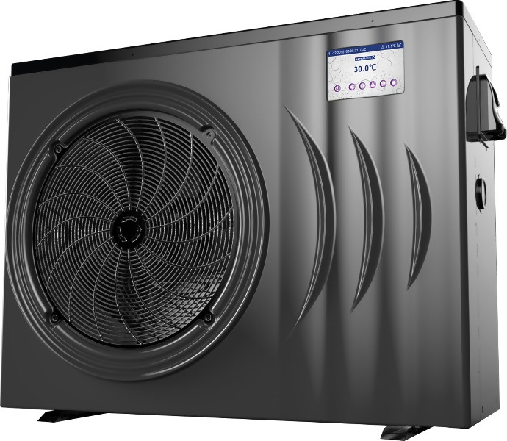
Heat Pump Sizing Guide
Prepared for:
Date:

Step 1 | Select (nearest) Location |  | Melbourne

Step 2 | Enter Swimming Pool Dimensions |  | Metres
 |  | Average Length | 8

 |  | Average Width | 4

 |  | Average Depth | 1.25

 |  | Litres | 40,000

Step 3 | Enter Desired Swimming Temperature |  | 30
 |  |  |  |  | No Cover | With Cover
Step 4 | Select your type of Swimming Season |  | Extended Season |  | kW | kW
 |  |  | Jan to Apr and Sept to Dec | Jan | 459 | 276
 |  | kW Required to Raise Water Temperature |  | Feb | 473 | 284
 |  |  |  | Mar | 575 | 345
 |  |  |  | Apr | 715 | 429
 |  |  |  | May | 0 | 0
 |  |  |  | Jun | 0 | 0
 |  |  |  | Jul | 0 | 0
 |  |  |  | Aug | 0 | 0
 |  |  |  | Sep | 840 | 504
 |  |  |  | Oct | 715 | 429
 |  |  |  | Nov | 626 | 376
 |  |  |  | Dec | 534 | 320

 | Recommended Heat Pump Model ** |  |  | Viron Inverter Heat Pump iHP242 or Inverter Heat Pump Top iHPT246
 | Recommended Heat Pump Model (With Cover) ** |  |  | Viron Inverter Heat Pump iHP170 or Inverter Heat Pump Top iHPT168
** Recommended model is based on heat maintenance only. Additional time or kW required for initial / start of season heat up of your pool or spa

Heating Cost
Step 5 | Enter Power Cost (cents per kW hour) |  | 28.0

 |  |  |  |  | No Cover | With Cover
 |  |  |  | Jan | $7.72 | $4.63
 | Daily Cost to maintain Temperature |  |  | Feb | $7.95 | $4.77
 |  |  |  | Mar | $9.67 | $5.80
 |  |  |  | Apr | $12.00 | $7.20
 |  |  |  | May | $- | $-
 |  |  |  | Jun | $- | $-
 |  |  |  | Jul | $- | $-
 |  |  |  | Aug | $- | $-
 |  |  |  | Sep | $- | $-
 |  |  |  | Oct | $12.00 | $7.20
 |  |  |  | Nov | $10.52 | $6.31
 |  |  |  | Dec | $8.96 | $5.38
 |  |  |  | Annual Total | $2,087.40 | $1,252.44

**** | Avg. temperature rise per hour at ambient condition 1: |  |  |  | 0.43 | degrees
 | Avg. temperature rise per hour at ambient condition 2: |  |  |  | 0.43 | degrees

Temperature Chart
 | Desired Temp | Unheated Pool Temperature | Acheived Water Temperature with Heat Pump
Jan | 30 | 20.1 | 30.0
Feb | 30 | 19.8 | 30.0
Mar | 30 | 17.6 | 30.0
Apr | 30 | 14.6 | 30.0
May | 30 | 11.2 | 11.2
Jun | 30 | 9 | 9.0
Jul | 30 | 8.2 | 8.2
Aug | 30 | 9.5 | 9.5
Sep | 30 | 11.9 | 30.0
Oct | 30 | 14.6 | 30.0
Nov | 30 | 16.5 | 30.0
Dec | 30 | 18.5 | 30.0

kW required to Heat Pool on Initial Heat Up

Initial Heat up Cost in month of heating
 | No Cover | With Cover

Monthly Maintenance Heating Cost
 | No Cover | With Cover
Jan | $239.23 | $143.54
Feb | $222.63 | $147.89
Mar | $299.65 | $179.79
Apr | $360.14 | $223.29
May | $- | $-
Jun | $- | $-
Jul | $- | $-
Aug | $- | $-
Sep | $- | $-
Oct | $360.14 | $223.29
Nov | $326.23 | $195.74
Dec | $277.90 | $166.74

Notes:
**** | Ambient Condition 1 is 24 degree air temperature, 63% RH & 27 degree entering water temperature
 | Ambient Condition 1 is 10 degree air temperature, 63% RH & 27 degree entering water temperature
 | Enter Data into Bluefields
Step 1 | Enter Nearest Location or location with similar weather conditions
Step 3 | Comfortable swimming temperature is 26-28 degrees.
Step 4 | Solar alternative season is from October - March, Extended season is from Sept-April, All rear round is all year round.
Step 5 | Peak Tarrif Electricity is generally approximatley 22-28 cents per kW hour

******Note***** This sizing guide is indicative only. In general, heat pumps are recommended replace or support solar heating or extend the swimming season to 8 or 9 months a year.
The use of a thermal blanket may reduce operating costs by up to 40% however, as many pool owners leave the blanket off during
the swimming season, these calculations assume that no blanket is used and the size of the heat pump is calculated also without a cover being used.
If swimming is required all year round, or you are selecting for a commercial establishment that requires a guarranteed temperature all
year round AstralPool recommend the use or a back up gas fired Heater.
Always consult your nearest AstralPool office when sizing heating for a commercial establishment.

 |  |  |  |  | A Division of

